chat_logs_2024-10-10
Question | Response | score | Suggestions
assault | To find data on assault, open the Atlas map, then navigate to the right-hand side pane and type the theme in the search box. If data is available, select the subcategory of interest from the drop-down options. Would you like to know more about specific types of assault or related statistics? | 3
no | I acknowledge that you're not interested in the previous follow-up question. Is there anything else you would like to know about the Atlas map? Would you like to know more about a specific theme or subcategory available in the Atlas? | 3
no | I understand that you're not interested in the previous question. Is there anything else you would like to know about the Atlas map? Would you like to know more about a specific theme or subcategory available in the Atlas? | 3
assault | To find data related to assault, please open the Atlas map. Then, navigate to the right-hand side pane and type "Young people offending" in the search box to select the suitable subcategory for you. If data is available, it will appear as a dropdown option. Is there another question I can help you with? | 3
child protection | To find data on child protection, please open the Atlas map and navigate to the right-hand side pane. Type "Child protection" in the search box to select the suitable subcategory for you. If data is available, it will appear as a dropdown option. Is there another question I can help you with? | 3
lgbtq | In the Atlas prototype, data has not been disaggregated by gender identity, including LGBTQ, Trans, and Gender Diverse young people. It only provides a breakdown based on the traditional categories of female and male. Is there another question I can help you with? | 3
first nations | In the Atlas prototype, data has not yet been disaggregated for First Nations children and young people. This decision arises from the awareness of the commonly inadequate representation of wellbeing outcomes concerning First Nations children and young people. Is there another question I can help you with? | 3
filters | To apply filters on the Atlas maps, you can filter results by Age & Sex, Collection Year(s), and Statistical Area. Click on the relevant icons in the top right-hand side of the page to select your desired filters. Is there another question I can help you with? | 3
what is statistical area | Statistical Areas (SA) are geographical regions used for statistical analysis. They include SA2, SA3, and SA4, which represent communities with shared social and economic characteristics, with populations ranging from 3,000 to 500,000 people. For more detailed information about Statistical Areas, you can refer to the Atlas map's technical information section. Is there another question I can help you with? | 3
how granualar is the data? | The data in the Atlas is available at various levels of granularity, including specific age groups, sex breakdowns, and different statistical areas such as SA2, SA3, and SA4. You can filter the data by these categories to get more detailed insights. For more information on how to navigate and filter the data, please refer to the Atlas map. Is there another question I can help you with? | 3
what specific age groups you provide information about? | The Atlas provides information for specific age groups ranging from 0 to 24 years. You can filter the data by age groups using the fingerprint icon on the Atlas maps. This allows you to select the age categories of interest for your analysis. Is there another question I can help you with? | 3
what the data sources are? | To view the data sources used in the Atlas, you can click on the "i" icon in the bottom left corner next to the selected indicator. This will provide you with the name of the data provider and the year of data collection. For more detailed information, you can refer to the Technical Information section on the Atlas homepage. Is there another question I can help you with? | 3
what is an indicator? | An indicator is a measurable variable that provides information about a specific aspect of children's health, development, and wellbeing. It helps to assess and understand the status or trends within a particular theme or domain. In the Atlas, indicators are used to present data related to various themes such as health, education, and safety. Is there another question I can help you with? | 3
how do i select a indicator? | To select an indicator, open the Atlas map and navigate to the right-hand side pane. Use the theme or indicator search box to type in your desired theme, and if data is available, it will appear as a dropdown option for you to select. Is there another question I can help you with? | 3
where is technical information section? | The Technical Information section can be found on the Atlas homepage. Navigate to the Main Menu options, and you will see "Technical Information" listed there. This section provides details about data cleaning, processing activities, and statistical methods used in the Atlas. Is there another question I can help you with? | 3
where do i start to find incident rate of suicide? | To find the incident rate of suicide, start by opening the Atlas map. In the right-hand side pane, type "Mortality" in the theme search box, and select the relevant subcategory related to youth suicide. If data is available, it will appear as a dropdown option for you to explore. Is there another question I can help you with? | 1 | replace mortality with suicide.
I would like to know more about alcohol related harm in young people living in WA | To find data on alcohol-related harm in young people living in WA, please open the Atlas map. Use the search box in the right-hand side pane to type in "Substance use" to explore relevant subcategories related to alcohol. If data is available, it will appear as a dropdown option for you to select. Is there another question I can help you with? | 2 | replace substance use with alcohol
alcohol related hospital admissions | To find data on alcohol-related hospital admissions, please open the Atlas map and navigate to the right-hand side pane. Type "Substance use" in the search box to select the suitable subcategory related to alcohol. If data is available, it will appear as a dropdown option for you to choose. Is there another question I can help you with? | 2 | replace 'substance use' with 'alcohol related'
what can I find under healthy theme? | Under the "Healthy" theme, you can find various subcategories such as disability and chronic health conditions, emergency department presentations, health at birth, hospital admissions, immunisation, mental health, and substance use, among others. Each subcategory provides specific data related to children's health and wellbeing. To explore these, open the Atlas map and use the search box in the right-hand side pane. Is there another question I can help you with? | 3
can you show me the sub catergories under hospital admission? | Under the "Hospital admissions" subcategory in the "Healthy" theme, you can find data related to all hospitals in WA, hospital admissions by principal diagnosis, and public hospitals. To view these subcategories, open the Atlas map and type "Hospital admissions" in the search box in the right-hand side pane. Is there another question I can help you with? | 3
what kind of data visualize in the atlas? | The Atlas visualizes various data related to children's health, development, and wellbeing across different themes and subcategories. This includes indicators such as hospital admissions, mental health statistics, immunisation rates, and more, displayed using different colors to represent low, average, or high scores on the national scale. You can interact with the data through maps and charts for a comprehensive view. Is there another question I can help you with? | 3
How can I find information about my suburb (Success)? | To find information about your suburb, Success, open the Atlas map and enter "Success" into the search box on the top left-hand corner of the screen. You can also select the region of interest in the box below the theme menu and click the arrow to zoom into your current location. Is there another question I can help you with? | 3
I need data for a research project, can I export indicators from the atlas? | Yes, you can export data from the Atlas for your research project. To do this, navigate to the data dashboard at this link: [Data Dashboard](https://qutcds.shinyapps.io/ACYWA_Data_Dashboard/). Choose your selected state and regions, select a theme, apply any filters, and then click on 'Full Table Download' to export the data. Is there another question I can help you with? | 3
Is there name and address information in the data? | The data in the Atlas does not include specific name and address information for individuals. It focuses on aggregated data related to children's health and wellbeing at a community or regional level. For more detailed inquiries about data privacy, you may refer to the technical information provided in the Atlas. Is there another question I can help you with? | 3
What is the latest data available on emergency presentations for WA? | To find the latest data on emergency department presentations for WA, please open the Atlas map and type "Emergency department presentations" in the search box in the right-hand side pane. This will allow you to access the relevant subcategories and view the available data. Is there another question I can help you with? | 2 | it would be nice if the answer included that the user needs to click on the calendar icon in the top right to view what collection years are available
How can I add my own data to the atlas? | The Atlas does not currently allow users to add their own data directly. It is designed to visualize existing data related to children's health and wellbeing. For inquiries about contributing data or collaboration, you may contact the Atlas team through their official contact page. Is there another question I can help you with? | 2 | it would be nice if the answer included that the user can reach ther atlas team at info@australianchildatlas.com
how current in the service level information? | The service level information in the Atlas is regularly updated, but the specific currency may vary based on the data source and the type of service. To check the most current information, you can explore the service layers on the Atlas map. Is there another question I can help you with? | 3
how current is the service level information? e.g. child care centres | The service level information, such as data on childcare centres, is updated periodically based on the data sources used by the Atlas. To find the most current information, you can explore the service layers on the Atlas map. Is there another question I can help you with? | 3
can I compare two indicators together? | Yes, you can compare two indicators by selecting them in the Atlas map. You can visualize the data side by side to see differences and trends. Simply choose the indicators you want to compare from the available options. Is there another question I can help you with? | 3
What kind of data is in the ACYWA platform? | The ACYWA platform contains data related to children's health, development, and wellbeing, organized into six themes: Healthy, Identity & Culture, Learning, Material Basics, Participation, and Valued, Loved and Safe. Each theme includes various subcategories that provide specific indicators for filtering data. You can explore this data by navigating the Atlas map and using the search functions available. Is there another question I can help you with? | 3
Can you tell me some of the indicators in the Healthy theme? | Some indicators in the Healthy theme include disability and chronic health conditions, emergency department presentations, health at birth, immunisation rates, and mental health statistics. You can explore these indicators by opening the Atlas map and using the theme search box to find specific subcategories. Is there another question I can help you with? | 3
For mental health, what spatial resolutions are available in the app? | In the ACYWA platform, you can filter mental health data by various spatial resolutions, including Statistical Areas (SA2, SA3, SA4) and Local Government Areas (LGAs). To select a specific area, you can use the map icon in the top right-hand side of the Atlas maps. Is there another question I can help you with? | 3
What is an LGA? | A Local Government Area (LGA) is a geographical area that is governed by an incorporated local government body in Australia. LGAs are used for administrative purposes and can vary in size and population. They are important for understanding local governance and service delivery. Is there another question I can help you with? | 3
What are some of the data custodians that provided data for the platform? | I'm sorry, but I don't have specific information about the data custodians that provided data for the ACYWA platform. However, you can find details about data sources by clicking the "i" icon next to the selected indicator on the Atlas maps. Is there another question I can help you with? | 2 | this is a good enough answer however it would be better if the response included directions on how to navigate to the metadata document (under technical info). This contains a list of all data sources.
What are the data sources? | The data sources for the ACYWA platform can be viewed by clicking the "i" icon in the bottom left corner next to the selected indicator on the Atlas maps. This will provide information about the data provider and the year of data collection. For more detailed information, you can refer to the Technical Information section on the platform. Is there another question I can help you with? | 2 | as above
Can you help me to learn more about ABS Table Builder? | I'm sorry, but I don't have specific information about the ABS Table Builder. However, you can explore resources related to data analysis and tools on the Australian Bureau of Statistics (ABS) website. Is there another question I can help you with? | 3 | great answer! Maybe could include a link to abs?
If I am distressed after viewing some of the data, can you help me to access mental health services? | I'm sorry, but I can't provide direct access to mental health services. However, you can find local mental health services by using the service layers option on the Atlas maps to display available healthcare services in your area. Is there another question I can help you with? | 2 | it would be better to refer to the servies listed on the atlas itself: Kids helpline etc
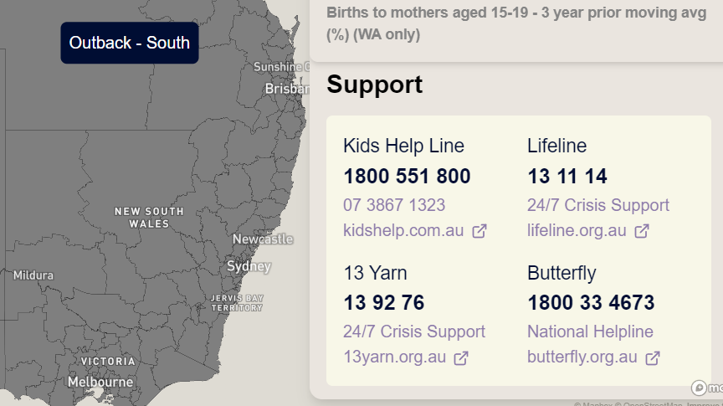
What area has the highest mental health care needs in Australia? | I'm sorry, but I can't interpret data or provide specific answers about areas with the highest mental health care needs. However, you can explore mental health indicators by opening the Atlas map, using the theme or indicator search box, and selecting the relevant subcategory for mental health. If data is available, it will appear as a dropdown option. Is there another question I can help you with? | 3
What mentL Health care indicators are available? | For mental health care, the available indicators include mental illness, ED presentations due to deliberate self-harm (all hospitals in WA only), mental and behavioral disorders, psychological distress, and experiences of stress from various surveys. You can find these indicators by opening the Atlas map and typing "mental health" in the theme search box. Is there another question I can help you with? | 3
How do you highlight the areas most in need? | To highlight areas most in need, you can use the Atlas map to filter data by selecting relevant themes and indicators. Once you have chosen the indicators, the map will visually represent the data, allowing you to identify areas with higher needs based on the results displayed. Is there another question I can help you with? | 2 | here it would be good to also refer to the help screens which explain the colour coding of the national distribution chart.
Can I restrict the data to certain years? | Yes, you can restrict the data to certain years. On the Atlas maps, go to the top right-hand side pane and click on the calendar symbol, which allows you to choose the collection year(s) from the available data collection years, ranging from 2006 to 2022. Is there another question I can help you with? | 2 | the range is actually pre 2006 for some indicators going back to 1990

